Application Screen
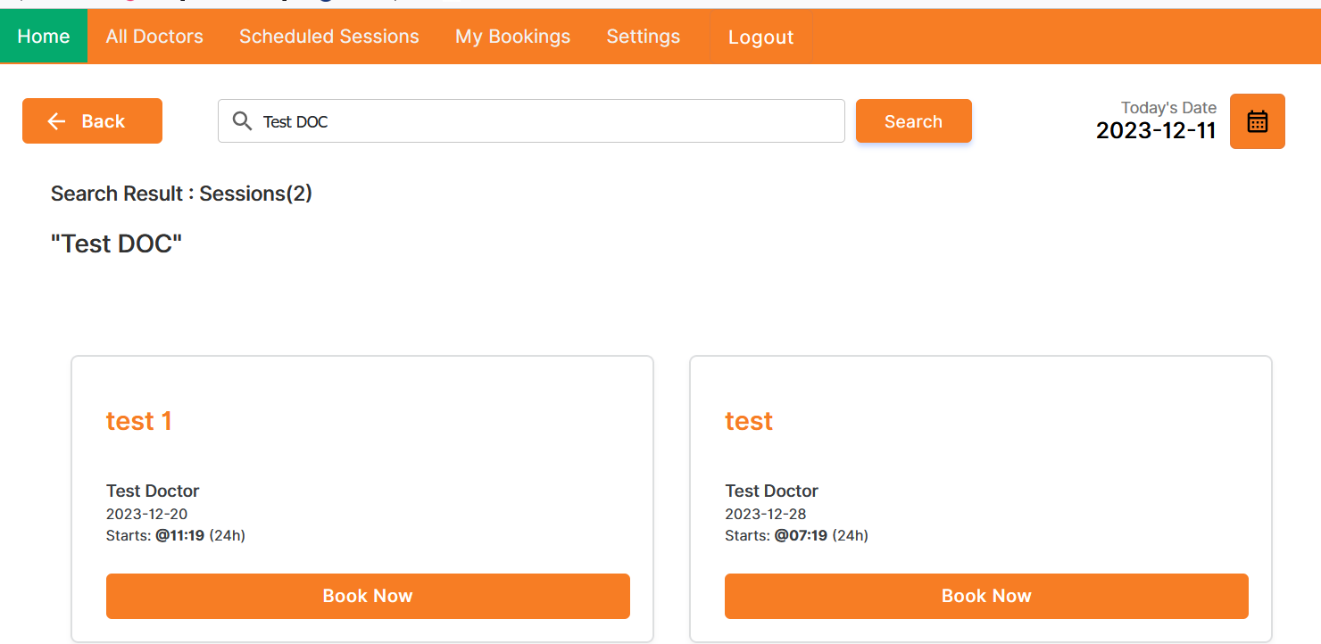

Test Case 5
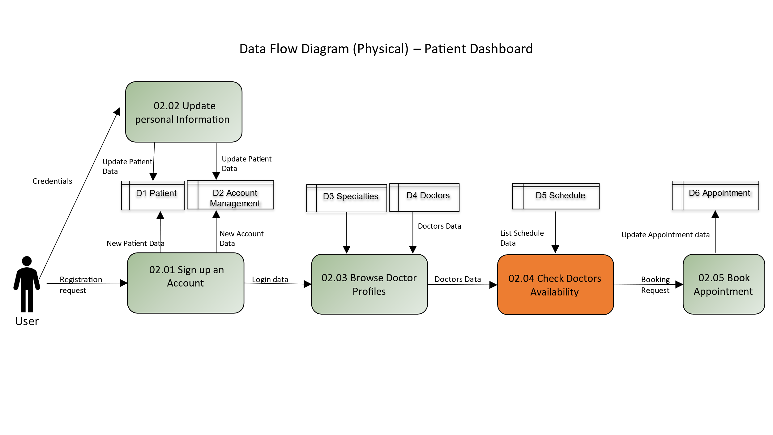
Test Case: 5
TC Title: | TC1 02.04 Check Doctor's Availability - Data Flow in

TC Objective: | Validate the accuracy of data flow within the functionality, ensuring the system correctly processes and displays availability information. Confirm that real-time changes to doctors' schedules are accurately reflected, providing users with up-to-date and reliable availability data.

TC Description: | Step | Step Description | Expected Results
 | 1 | Log in using valid user credentials. | Successful login, and the user is directed to the application's main dashboard.
 | 2 | Navigate to the "Check Doctor's Availability" section. | The system initiates a request to retrieve availability data from the database and displays the availability interface.
 | 3 | Enter the name or relevant details of a specific doctor. | The system sends a query to the database, retrieves the availability data for the selected doctor, and updates the display with accurate availability information.
 | 4 | Apply a filter to view availability for a specific date. | The system sends a request to the database with the selected date filter, retrieves the updated availability data, and displays the doctor's schedule for the chosen date.
 | 5 | Introduce a change to the selected doctor's schedule in real-time. | The system, in real-time, detects the schedule change, sends a request to the database for updated information, and promptly updates the availability display, ensuring users have the latest data.

